Dewata Kencana Distribusi (Vdka
DATE | DESCRIPTIONS | QTY | BILLS | UNIT PRICE | TOTAL | DUE DATE | STATUS
11-Feb-2026 | ICELAND VODKA BLACK TEA 700 ML 40% / 12 | 3 | 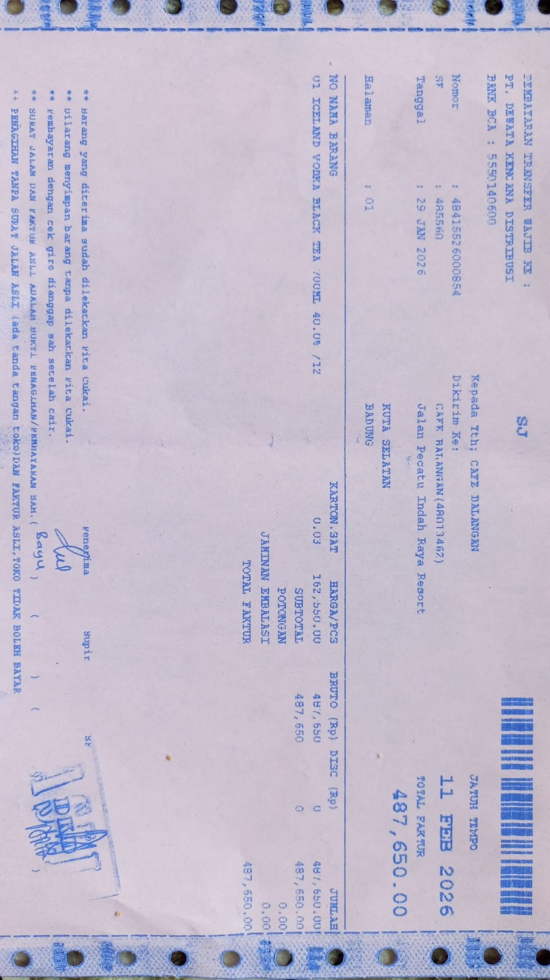 | IDR 162,550 | IDR 487,650 | 2026-02-11 | UNPAID
TOTAL |  |  |  | Rp487,650

